413505
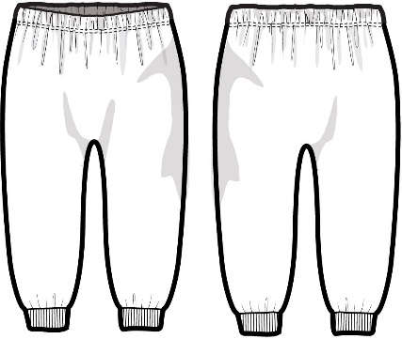
CUTTING PLAN 1 |  |  | 오더 수량 |  |  | 본사 요척 | BODY |  | BODY WIDTH | 09/03/2022
 |  |  |  |  |  |  | 0.557
STYLE.NO :413505 SET |  |  | 5,040 |  |  | 소요량 | 2807 |  | 62''

COLOR | DIVICION |  | SIZE |  |  |  |  | TOTAL | 요척 | 소요량
 |  |  | 0-3M | 3-6M | 6-12M | 12-18M | 18-24M
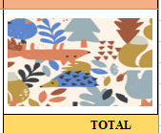 ANIMALS | QTY | ORDER | 425 | 836 | 1,618 | 1,339 | 822 | 5,040
 | 1.0225 |  | 435 | 855 | 1,654 | 1,369 | 840 | 5,153
 | BAL(2.25%) |  | 8.43 | 16.59 | 32.10 | 26.57 | 16.31 | 100
 | RATIO.1 | 145 | 3 | 4 | 5 | 5 | 3 | 20 | 0.4398 | 1,274
 |  |  | 435 | 579 | 724 | 724 | 435 | 2,897
 |  |  | 0 | -275 | -930 | -645 | -406 | 2,256
 | RATIO.2 | 131 |  | 2 | 7 | 5 | 3 | 17 | 0.4697 | 1,046
 |  |  | 0 | 262 | 917 | 655 | 393 | 2,227
 |  |  | 0 | -13 | -13 | 10 | -13 | 29
 | RATIO.3 | 13 |  | 1 | 1 |  | 1 | 3 | 0.4765 | 19
 |  |  | 0 | 13 | 13 | 0 | 13 | 39
 |  |  | 0 | -0 | -0 | 10 | 0 | 10
 | TTL: |  | 435 | 854 | 1,654 | 1,379 | 841 | 5,163 | 0.453 | 2,339
 |  |  |  |  |  |  |  | 과부족 | 16.7% | 469

CUTTING PLAN 1 |  |  | 오더 수량 |  |  | 본사 요척 | BODY |  | BODY WIDTH | 09/03/2022
 |  |  |  |  |  |  | 0.557
STYLE.NO :413505 SET |  |  | 3,353 |  |  | 소요량 | 1868 |  | 62''

COLOR | DIVICION |  | SIZE |  |  |  |  | TOTAL | 요척 | 소요량
 |  |  | 0-3M | 3-6M | 6-12M | 12-18M | 18-24M
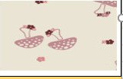 MUSHROOM | QTY | ORDER | 255 | 515 | 1,093 | 937 | 553 | 3,353
 | 1.0275 |  | 262 | 529 | 1,123 | 963 | 568 | 3,445
 | BAL(2.75%) |  | 7.61 | 15.36 | 32.60 | 27.95 | 16.49 | 100
 | RATIO.1 | 88 | 3 | 4 | 5 | 5 | 3 | 20 | 0.4398 | 774
 |  |  | 264 | 352 | 440 | 440 | 264 | 1,760
 |  |  | 2 | -177 | -683 | -523 | -304 | 1,685
 | RATIO.2 | 152 |  | 1 | 4 | 3 | 2 | 10 | 0.4770 | 725
 |  |  | 0 | 152 | 608 | 456 | 304 | 1,520
 |  |  | 2 | -25 | -75 | -67 | -0 | 165
 | RATIO.3 | 25 |  | 1 | 3 | 3 |  | 7 | 0.4597 | 80
 |  |  | 0 | 25 | 75 | 75 | 0 | 175
 |  |  | 2 | -0 | -0 | 8 | -0 | 10
 | TTL: |  | 264 | 529 | 1,123 | 971 | 568 | 3,455 | 0.457 | 1,580
 |  |  |  |  |  |  |  | 과부족 | 15.4% | 288
CUTTING PLAN 1 |  |  | 오더 수량 |  |  | 본사 요척 | BODY |  | BODY WIDTH | 09/03/2022
 |  |  |  |  |  |  | 0.557
STYLE.NO : 413505 SET |  |  | 7,298 |  |  | 소요량 | 4065 |  | 62''

COLOR | DIVICION |  | SIZE |  |  |  |  | TOTAL | 요척 | 소요량
 |  |  | 0-3M | 3-6M | 6-12M | 12-18M | 18-24M
 SEABORNE | QTY | ORDER | 585 | 1,163 | 2,344 | 2,001 | 1,205 | 7,298
 | 1.0225 |  | 598 | 1,189 | 2,397 | 2,046 | 1,232 | 7,462
 | BAL(2.25%) |  | 8.02 | 15.94 | 32.12 | 27.42 | 16.51 | 100
 | RATIO.1 | 199 | 3 | 4 | 5 | 5 | 3 | 20 | 0.4398 | 1,754
 |  |  | 598 | 798 | 997 | 997 | 598 | 3,988
 |  |  | 0 | -392 | -1,400 | -1,049 | -634 | 3,474
 | RATIO.2 | 197 |  | 2 | 7 | 5 | 3 | 17 | 0.4697 | 1,573
 |  |  | 0 | 394 | 1,379 | 985 | 591 | 3,349
 |  |  | 0 | 2 | -21 | -64 | -43 | 125
 | RATIO.3 | 22 |  |  | 1 | 3 | 2 | 6 | 0.5151 | 68
 |  |  | 0 | 0 | 22 | 66 | 44 | 132
 |  |  | 0 | 2 | 1 | 2 | 1 | 7
 | TTL: |  | 598 | 1,192 | 2,398 | 2,048 | 1,233 | 7,469 | 0.455 | 3,395
 |  |  |  |  |  |  |  | 과부족 | 16.5% | 670

